Method2
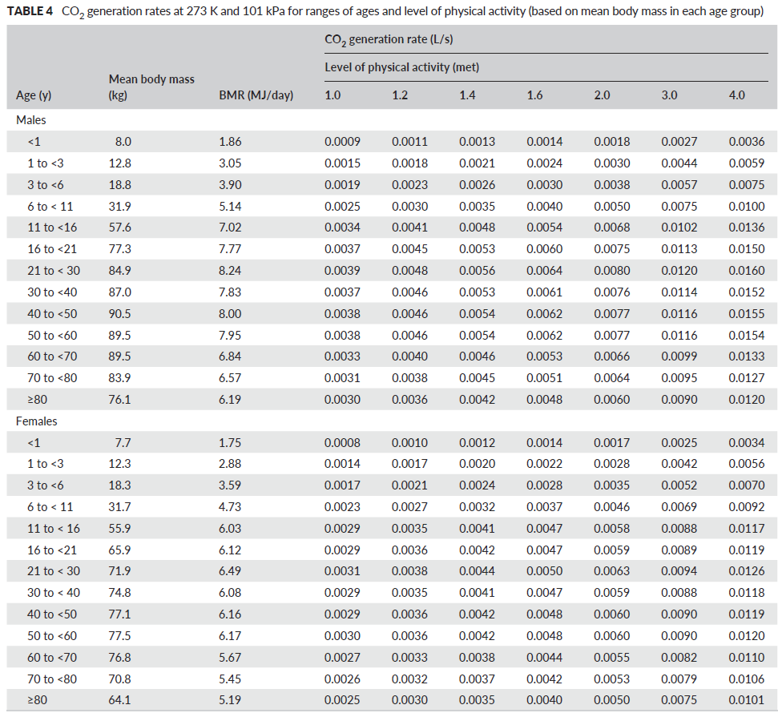
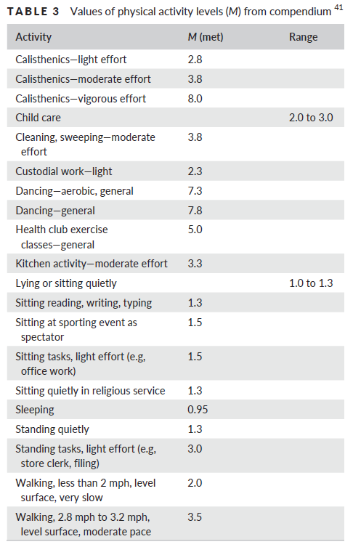
Cell to introduce values |  |  |  |  | Persily and de Jonge, 2017. Indoor Air, doi:10.1111/ina.12383
Intermediate result
Result
 | example | example | case | Notes
Coutdoor CO2 (ppm) before | 420 | 420
Coutdoor CO2 (ppm) after | 420 | 420
Coutdoor CO2 (ppm) | 420 | 420 | #DIV/0!

Lenght (m) | 10 | 10
Width (m) | 6.5 | 5
Height (m) | 2.9 | 2.9
Volume (m3) | 188.5 | 145 | 0

Teachers (number) | 1 | 2
Generation CO2/teacher (l/s) | 0.0061 | 0.0061 |  | this value has to be taken from adjoint table
Generation CO2/teacher (lpm) | 0.3660 | 0.3660 | 0.0000
Students (number) | 16 | 12
Generation CO2/student (l/s) | 0.0044 | 0.0031 |  | this value has to be taken from adjoint table
Generation CO2/student (lpm) | 0.264 | 0.186 | 0.000
Generation CO2 (lpm) | 4.590 | 2.964 | 0.000

ACR (h-1) | 5 | 5 |  | 5 according to Harvard Guide, it can be increased
liters per person per second (lps) | 14 | 14 |  | 14 according to Harvard Guide, it can be increased
ACR (h-1) according to lps | 4.5 | 4.9 | #DIV/0! | this value can be used in the ACR cel (line 22) as an alternative criterium

Target outdoor airflow (lpm) | 15708 | 12083 | 0

Csteady-state CO2 (ppm) | 712 | 665 | #DIV/0!

This is an annex of the Guide for ventilation towards healthy classrooms, published by CSIC, SCOEH and COST Action Indairpollnet
http://hdl.handle.net/10261/225519

